Script
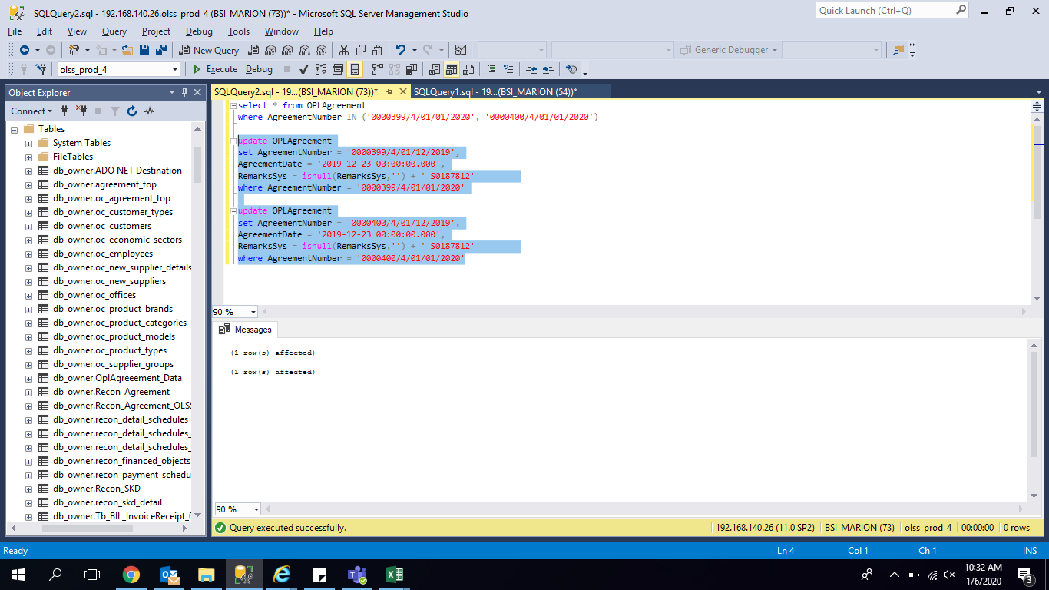
update OPLAgreement
set AgreementNumber = '0000399/4/01/12/2019',
AgreementDate = '2019-12-23 00:00:00.000',
RemarksSys = isnull(RemarksSys,'') + ' S0187812'
where AgreementNumber = '0000399/4/01/01/2020'

update OPLAgreement
set AgreementNumber = '0000400/4/01/12/2019',
AgreementDate = '2019-12-23 00:00:00.000',
RemarksSys = isnull(RemarksSys,'') + ' S0187812'
where AgreementNumber = '0000400/4/01/01/2020'

Screenshoot
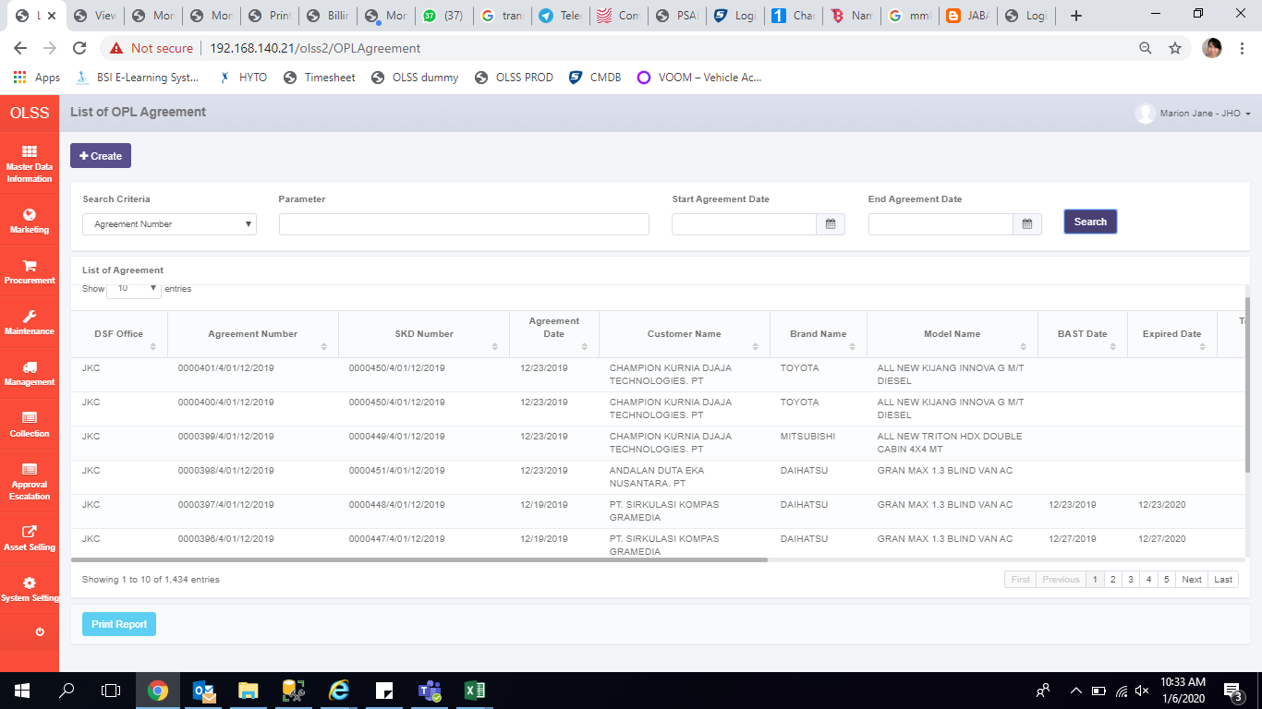
AFTER

